INDEX
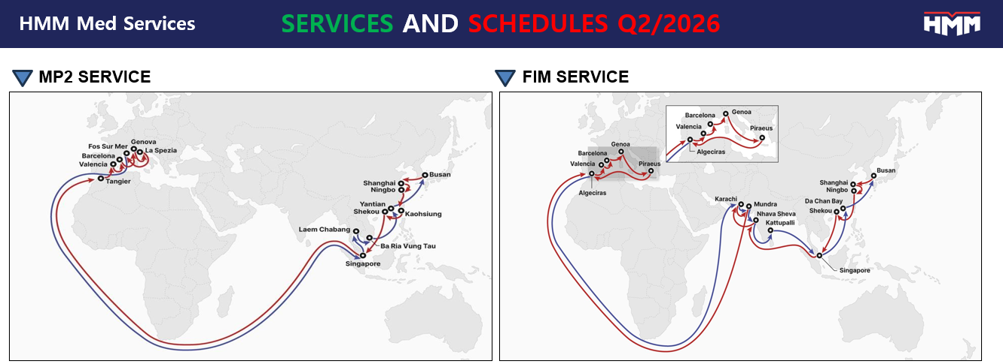
Index |  |  | Sales Team Contacts

Sheet 1) | IPBC FAK GIFO pol ITGOA | > All Rates include Loading THC
Sheet 2) | IPCB FAK pol ITNAP_ITVCE | > All Rates subject to Loading THC
Sheet 3) | FES FAK GIFO_ESS incl GOA_SPE | > All Rates include Loading THC and EES | Genova: | org.hmm-it-10010250@hmm21.com
Sheet 4) | FES FAK GIFO ITNAP_ITVCE | > All Rates include Loading THC | Milano: | org.hmm-it-10010110@hmm21.com
Sheet 5) | ICD INDIA | > India ICD connection
Sheet 6) | DAR | > Outports Destination Arbitrary Charge | www.hmm21.com
Sheet 7) | DEM_DET | > Origin Demurrage & Detention Charge

1)IPBC FAK GIFO pol ITGOA
FAK RATES FROM GENOVA TO INDIA - PAKISTAN (DC)
 | FIM SERVICE CONTRACT REF : WGB2000041 14 Days free time detention at destination granted Validity 1st April - 30th April > Bookings are taxed based on the RATING DATE (RDA) shown in the booking confirmation.
COUNTRY | POD | GENOVA INCLUDING LOADING THC
 |  | 20'DC (USD $) | 40'DC/HC (USD $)
PAKISTAN | KARACHI ( direct ) | 425 | 450
INDIA direct calls | NHAVA SHEVA ( direct ) | 425 | 450
 | MUNDRA ( direct ) | 425 | 450
 | KATTUPALLI ( direct ) | 425 | 450
India Outports | COCHIN ( via Mundra ) THL already included | 1300 | 1500
 | VISAKHAPATNAM ( via Kattupalli) THL already included | 1300 | 1500
SRI LANKA | COLOMBO ( via Mundra ) THL & THD already included | 1300 | 1500
BANGLADESH | CHATTOGRAM ( Via Mundra e Colombo) THL & THD already included | 925 | 1525
Delivery to ICD in INDIA | Please ICD INDIA Sheet
ALL RATES ARE SUBJECT TO BELOW ADDITIONALS:
EMERGENCY FUEL CHARGE (EFL): MED/ MIDDLE EAST & INDIA SUBCONTINENT: USD 75/TEU DRY > EFL will be reviewed bi-weekly
IMCO (DG) ADDITIONAL : Usd 150/unit
ADDITIONAL DG CHARGE (PORT TERMINAL AUTHORIZATION) : Euro 70/Cntr (Only class 5.1, 5.2, 6.2)
ECP Empty Container pre-assignement (i.e. DG Fixed Cntr Number ) : Euro 40/unit/day upto pick up date
Loading THC : Euro 220 /DC/HC /Unit > INCLUDED
DG Loading THC : Euro 250 /Unit > INCLUDED
Lo/Lo Charge (applicable on Merchant Haulage transport) : Euro 55/Cntr
Booking Amendment fee : Eur 10/Booking (for any amendment of existing booking)
Container Imbalance Charge (CIC) Destination Bangladesh : USD 50/20' - USD 100/40'
BOOKING CANCELLATION FEE FOR DRY CNTRS
Free cancellation/ Free Postponement possible within 3 working days before vessel cut off
Booking Cancellation/Postponement within 3 working days before cut off ONLY subject to Euro 100/container
VGM : Euro 95/ Cntr (If needed)
DOCS FEE:
Booking or Shipping Instruction (SI) via EDI (INTTRA, GTN, WISETECH, etc) : Euro 50/BL
Booking and Shipping Instruction (SI) both via HMM WEB : Euro 40/BL
Fixed Doc fee : Euro 3.00/Bill of Lading
EUROPE EMISSION SURCHARGE (EES): MED/ MIDDLE EAST & INDIA SUBCONTINENT: Eur 31/TEU DRY
Validity 1st April - 30th April > Booking are taxed on the RATING DATE (RDA) shown in the booking confirmation.

7)DEM_DET
